WACC
Company: | 0 |  |  | LEGEND | cells contain built-in formulas & links
Project: | 0 |  |  |  | cells need input formula
Date: | 0 |  |  |  | cells need input data

WACC Calculation

The Commission expects companies to use their own internal WACC and to justify it.
The justification consists in demonstrating that the internal company WACC results from the following formula:
$WACC= \frac{E}{D+E}∗\left(r_{f}+β∗ERP\right)+\frac{D}{D+E}$*($r_{f}+DP)∗(1−T)$

Where, E = equity, D = debt, rf = risk-free rate, β = equity beta, ERP = equity risk premium, DP = debt premium and T = tax rate
In addition, companies must also provide all the parameters in the formula above together with their sources and the methodology to determine them.
We note that the use of the WACC formula above rules out the possibility to add a “top-up” risk factor to the discount rate to account for the specific characteristics of the project.
If companies do not sufficiently justify their own WACC, the Commission services may construct a benchmark WACC based on publicly available data (at sectoral level) and use it to verify the reliability of the WACC provided by the company.

For each of the parameters above, please insert your value of choice, describe your methodology and list your sources in table "WACC components" below. Your WACC is then automatically calculated in table "WACC calculation" at the bottom of this tab.

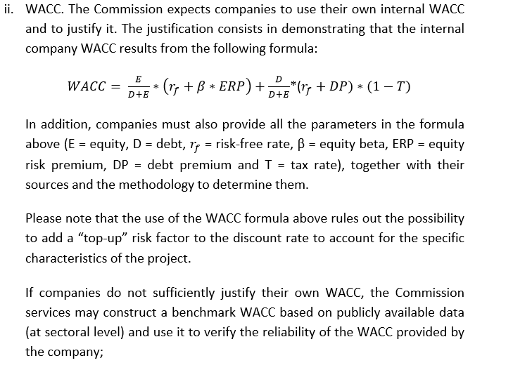
 | WACC components | Unit | Value | Source(s)

 | E = Equity | Mio Eur

 | D = Debt | Mio Eur

 | rf = Risk free rate | %

 | Unlevered beta

 | ERP = Equity Risk Premium | %

 | DP = Debt premium | %

 | T = Tax rate | %

 | WACC calculation | Unit | Result | Formula
$$β=Unlevered Beta ∗(1+\frac{D}{E}∗\left(1−T)\right)$$
Source: "IPCEI - Guidance on Funding gap calculation and reporting", Sep-2021
 | β = equity beta
$$\left(r_{f}+β∗ERP\right)$$
 | Cost of Equity | % | 0.0%

 | E/(D+E) | %
($r_{f}+DP)∗(1−T)$
 | Cost of Debt (after tax) | % | 0.0%

 | D/(D+E) | %

 | WACC | %

